Month 1
Resource Planning Template

Month | Nov-23

Project Name | Resource Manager | Client | Resource | Role | Allocated Hours | Hourly Rate (£) | Total Cost (£) | Status | Budget (£) | Utilisation % | Available Hours | Day 1 | Day 2 | Day 3 | Day 4 | Day 5 | Day 6 | Day 7 | Day 8 | Day 9 | Day 10 | Day 11 | Day 12 | Day 13 | Day 14 | Day 15 | Day 16 | Day 17 | Day 18 | Day 19 | Day 20 | Day 21 | Day 22 | Day 23 | Day 24 | Day 25 | Day 26 | Day 27 | Day 28 | Day 29 | Day 30 | Day 31
Risk audit | Matt | ABC Bank | Mike | Senior Auditor | 30 | 800 | 24000 | Active | 3000 | 81.081081081 | 37 | 5 | 5 | 5 | 5 | 5 |  | 5
Finance review | Kerry | BBB UK | Rebecca | Senior Advisor | 28 | 950 | 26600 | Active | 5000 | 140 | 20 | 7 | 8 | 5 | 8
 |  |  |  |  | 0 |  | 0 |  |  | N/A
 |  |  |  |  | 0 |  | 0 |  |  | N/A
 |  |  |  |  | 0 |  | 0 |  |  | N/A
 |  |  |  |  | 0 |  | 0 |  |  | N/A
 |  |  |  |  | 0 |  | 0 |  |  | N/A
 |  |  |  |  | 0 |  | 0 |  |  | N/A
 |  |  |  |  | 0 |  | 0 |  |  | N/A
 |  |  |  |  | 0 |  | 0 |  |  | N/A
 |  |  |  |  | 0 |  | 0 |  |  | N/A
 |  |  |  |  | 0 |  | 0 |  |  | N/A
 |  |  |  |  | 0 |  | 0 |  |  | N/A
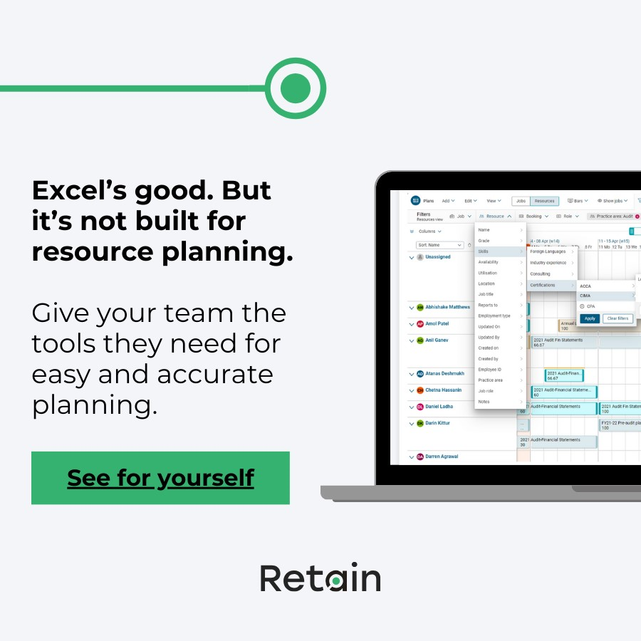
 |  |  |  |  | Related resources:
 |  |  |  |  | What is resource management software?
 |  |  |  |  | Resource planning software vs Microsoft Excel: Which approach is best for you?
 |  |  |  |  | Beyond spreadsheets: How mature is your resource management?
 |  |  |  |  | How to choose the best resource management software

